Transfer Final
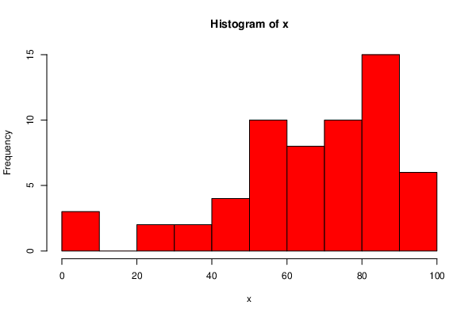
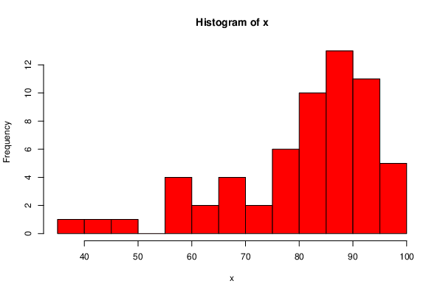
 | DeID | Transfer Status | Final.exam.percentage..out.of.100.or.between.0.and.1. | Overall | Final | Overall
18 | 10M1D3KC | TRUE | 56.5 | 78.86
23 | 1FQJCTP0 | TRUE | 53.67 | 59.78
34 | 22Y2XO2K | TRUE | 86.42 | 88.08
39 | 28YW6SPD | TRUE | 75.08 | 85.16
45 | 2PPW6W7M | TRUE | 54.5 | 73.47
48 | 2XSX8H2C | TRUE | 66 | 80.7
56 | 3MK271VQ | TRUE | 83.67 | 89.81
61 | 3XNNNAKH | TRUE | 90.33 | 86.97
77 | 5HD1XVWY | TRUE | 83.5 | 89.27
98 | 6S1NISDF | TRUE | 0 | 48.84
105 | 76WD81VV | TRUE | 63.67 | 77.48
113 | 7Y39WVGT | TRUE | 64.25 | 83.16
117 | 8FXQ1IG0 | TRUE | 71.58 | 84.95
119 | 8NNV9QRJ | TRUE | 68.75 | 86.53
123 | 9HKHCNMK | TRUE | 51.58 | 68.79
128 | 9MKBVKUW | TRUE | 80.17 | 86.98
148 | B320EDG9 | TRUE | 81.83 | 90.39
155 | BF0HATQ8 | TRUE | 77.25 | 87.66
164 | C6S8SY5I | TRUE | 86.67 | 91.1
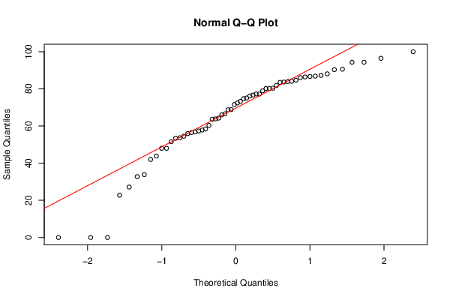
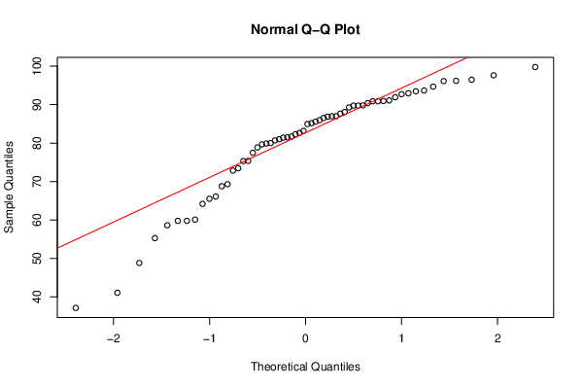
165 | C9HVW1HR | TRUE | 72.42 | 85.98
172 | CM5CES4X | TRUE | 58.42 | 81.5
186 | DFCAKKY6 | TRUE | 66.58 | 72.85
190 | DSM6Y2H6 | TRUE | 73.25 | 79.89
196 | E7HR0BU4 | TRUE | 94.33 | 97.63
205 | EIXSSJ24 | TRUE | 78.92 | 86.88
222 | G5YXDDPR | TRUE | 84.67 | 90.94
223 | G7VYIID9 | TRUE | 43.83 | 60.09
237 | H9VYZRJR | TRUE | 48 | 66.11
247 | IF84I5AR | TRUE | 83.92 | 92.96
250 | IJV29Z4Q | TRUE | 53.42 | 75.38
262 | J7DG31DL | TRUE | 0 | 55.29
277 | K3PEQA61 | TRUE | 74.75 | 85.56
287 | KPOLFB9K | TRUE | 86.83 | 93.67
309 | M6G521Y5 | TRUE | 27.17 | 58.63
325 | NMS0G8IP | TRUE | 86 | 91.93
329 | NS4TZRLP | TRUE | 87.25 | 96.47
330 | NS89SPF7 | TRUE | 57.83 | 82.64
332 | NY6U0FHN | TRUE | 42 | 65.53
342 | OJ2TZ2HM | TRUE | 76.17 | 82.29
355 | PJLP9KGP | TRUE | 96.42 | 96.13
359 | PNE2D6QR | TRUE | 32.75 | 64.2
362 | PYLTLSHD | TRUE | 22.75 | 41.09
364 | Q1QFETHH | TRUE | 60.33 | 81.01
380 | QVONSV9I | TRUE | 76.67 | 89.74
382 | QXYL0U9G | TRUE | 80.33 | 90.87
383 | QYQ7I3MQ | TRUE | 33.83 | 69.33
384 | QZV31WC2 | TRUE | 90.58 | 96.19
400 | RVR4TAC2 | TRUE | 94.33 | 94.68
417 | T1E9HPBG | TRUE | 88.08 | 93.47
420 | T47JFAGG | TRUE | 80.17 | 92.72
424 | TB82FY44 | TRUE | 84.08 | 89.74
435 | TYK2UPMN | TRUE | 100 | 99.77
444 | UI902D7R | TRUE | 0 | 37.14
445 | UIU2M2YN | TRUE | 68.83 | 81.69
455 | V1XULD41 | TRUE | 57.33 | 80.01
456 | VCHEELZD | TRUE | 77.25 | 90.89
465 | W4F7GC40 | TRUE | 48 | 59.78
488 | YA66VY60 | TRUE | 55.92 | 75.32
489 | YH17VRV6 | TRUE | 63.83 | 79.66
517 | ZY7O88AS | TRUE | 56.83 | 81.41

Native Final
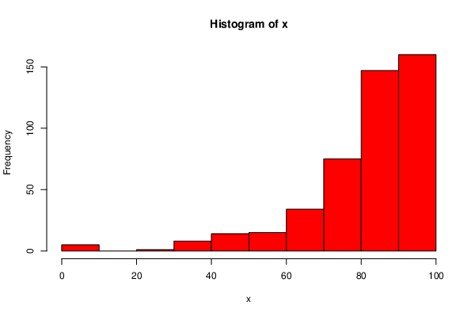
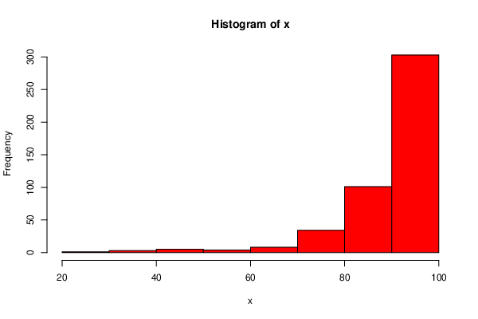
 | DeID | Transfer Status | Final.exam.percentage..out.of.100.or.between.0.and.1. | Overall | Final | Overall
0 | 01USSUI3 | FALSE | 85 | 95.17
1 | 067XGZ0E | FALSE | 98.5 | 97.02
2 | 08Q3J2IX | FALSE | 90.58 | 96.46
3 | 09OZWKK6 | FALSE | 74.33 | 88.58
4 | 0AQ81ICW | FALSE | 84.08 | 82.8
5 | 0B5U51EM | FALSE | 67.25 | 86.7
6 | 0CSSQ80E | FALSE | 62.58 | 44.36
7 | 0DI1ET58 | FALSE | 88 | 92.42
8 | 0EV6RTFG | FALSE | 70.33 | 85.91
9 | 0FP83YDC | FALSE | 73.25 | 89.44
10 | 0J9V0GSD | FALSE | 89.33 | 95.77
11 | 0JFGV9J3 | FALSE | 72 | 86.8
12 | 0LSZZHS7 | FALSE | 79.92 | 84.1
13 | 0O15384D | FALSE | 88.5 | 94.28
14 | 0RJR3UB2 | FALSE | 85.33 | 92.56
15 | 0X91IN7M | FALSE | 88.08 | 94.47
16 | 0YNOBIVB | FALSE | 85 | 92.39
17 | 0YNUACNX | FALSE | 57.42 | 77.57
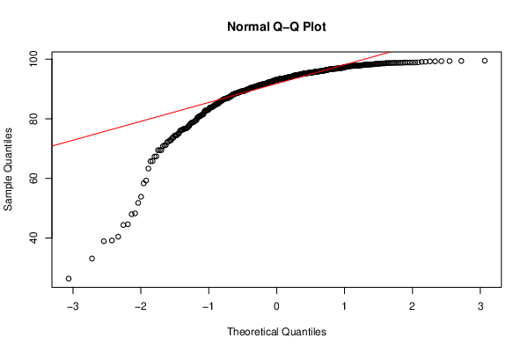
19 | 112Y19QQ | FALSE | 96.67 | 97.84
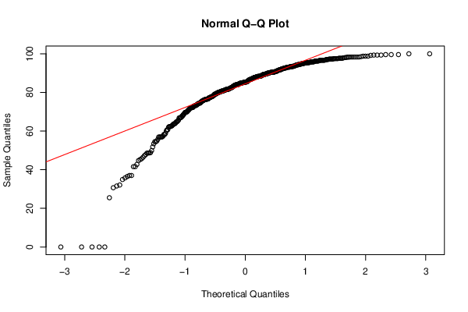
20 | 12QC2AZI | FALSE | 84.5 | 91.63
21 | 1AVMXYPB | FALSE | 0 | 33.11
22 | 1DSTM3NG | FALSE | 91 | 94.89
24 | 1GIFQR6E | FALSE | 69.92 | 88.06
25 | 1KUMC6EK | FALSE | 92.5 | 96.12
26 | 1M23DVS0 | FALSE | 56.92 | 81.53
27 | 1MLB8DCO | FALSE | 35.75 | 63.3
28 | 1NP4ECVC | FALSE | 84.75 | 93.75
29 | 1NTALV04 | FALSE | 92.92 | 95.96
30 | 1RHWG5OW | FALSE | 77.83 | 90.12
31 | 1VKDQJSO | FALSE | 93.08 | 96.78
32 | 1ZZI02ZU | FALSE | 91.58 | 95.6
33 | 20P5QCCX | FALSE | 87.83 | 93.04
35 | 23RJJJAB | FALSE | 81.25 | 85.11
36 | 263ZOSV1 | FALSE | 85.33 | 92.86
37 | 2806MK4M | FALSE | 88.92 | 93.39
38 | 2823FJJI | FALSE | 95.42 | 98.78
40 | 2FF6CRPY | FALSE | 81.67 | 93.3
41 | 2FNJPDH5 | FALSE | 87.83 | 94.69
42 | 2IDE1JDP | FALSE | 94.92 | 97.64
43 | 2LIGIRQQ | FALSE | 82.25 | 91.8
44 | 2LX4PMA3 | FALSE | 62.33 | 81.54
46 | 2TJC8Z9P | FALSE | 81 | 91.42
47 | 2VZHHT7Z | FALSE | 93.08 | 96.54
49 | 36GB5HPE | FALSE | 48.83 | 69.47
50 | 37RBMODO | FALSE | 90.33 | 96.11
51 | 38UH8DHW | FALSE | 97.5 | 98.79
52 | 3APO64LS | FALSE | 92.67 | 95.54
53 | 3C8SI5NY | FALSE | 93.08 | 97.37
54 | 3DO59N6N | FALSE | 98.33 | 98.72
55 | 3ENSTSL2 | FALSE | 74.08 | 87.5
57 | 3NSQWXDF | FALSE | 79.17 | 91.63
58 | 3S0SZ5C4 | FALSE | 81.58 | 76.36
59 | 3X17JGAS | FALSE | 95.83 | 94.46
60 | 3XL3NANW | FALSE | 98.25 | 98.81
62 | 3Y9DUGIO | FALSE | 87.08 | 95.49
63 | 3YTH4DOX | FALSE | 98.75 | 97.89
64 | 41Q9NZH9 | FALSE | 62.83 | 76.88
65 | 43GS4AW7 | FALSE | 90.83 | 95.59
66 | 4BWWZI8M | FALSE | 85.33 | 92.34
67 | 4G0PPO88 | FALSE | 87.92 | 95.1
68 | 4IXQCIBM | FALSE | 93.5 | 98.1
69 | 4JNI3RFL | FALSE | 100 | 99.38
70 | 4L5SCOMJ | FALSE | 58.25 | 79.35
71 | 4TY7IQMU | FALSE | 95 | 97.8
72 | 4VRCTUXD | FALSE | 97.25 | 98.19
73 | 4WATCJ9A | FALSE | 96.67 | 97.74
74 | 58FGC341 | FALSE | 51.83 | 74.48
75 | 5BBIGKXW | FALSE | 95 | 97.98
76 | 5HB9ZW2S | FALSE | 94.5 | 96.65
78 | 5IVMMVD6 | FALSE | 88.08 | 92.79
79 | 5LQH4ZED | FALSE | 92.58 | 97.54
80 | 5OKID1KX | FALSE | 83.75 | 90.95
81 | 5PEXDAJQ | FALSE | 95.75 | 98.16
82 | 5UAIU1T4 | FALSE | 91.67 | 90
83 | 5VA7IB2O | FALSE | 97.67 | 99.34
84 | 5VQOMWVO | FALSE | 84.75 | 86.6
85 | 5XCURLDS | FALSE | 94.58 | 90.38
86 | 5Z87GMPE | FALSE | 95.83 | 97.27
87 | 63BU2T1Z | FALSE | 96.25 | 95.82
88 | 63VGE34R | FALSE | 94.33 | 97.52
89 | 64SF3V4T | FALSE | 83.5 | 93.91
90 | 65JLYPR7 | FALSE | 64.08 | 84.81
91 | 668J389O | FALSE | 62 | 82.79
92 | 69U9087F | FALSE | 69.08 | 80.88
93 | 6AN2NYEW | FALSE | 94.58 | 97.72
94 | 6J7JKHYR | FALSE | 91.67 | 96.83
95 | 6LZAC2JA | FALSE | 86.83 | 93.73
96 | 6POBGC6F | FALSE | 81.67 | 91.8
97 | 6QDAE16C | FALSE | 90.75 | 96.81
99 | 6SCSR8QI | FALSE | 86.67 | 89.62
100 | 6VGU8STT | FALSE | 97.92 | 97.82
101 | 6YW3QBWU | FALSE | 82.67 | 92.85
102 | 7105EJ1T | FALSE | 95.42 | 97.8
103 | 72GB717K | FALSE | 77.42 | 90.86
104 | 73BD8V5W | FALSE | 0 | 48.27
106 | 78H841QG | FALSE | 80.17 | 90.5
107 | 7FAO13VF | FALSE | 90.17 | 95.88
108 | 7KIWIMK3 | FALSE | 90.58 | 95.78
109 | 7OCUS5CI | FALSE | 84 | 78.8
110 | 7Q7MQ3N3 | FALSE | 92.33 | 95.39
111 | 7ROMJT0U | FALSE | 97.25 | 98.33
112 | 7TNYSJV0 | FALSE | 82.83 | 92
114 | 7ZDR3PCO | FALSE | 92.25 | 90.56
115 | 806STYZK | FALSE | 85.42 | 93.55
116 | 8BPKB7M4 | FALSE | 37 | 71.1
118 | 8JWV4GC6 | FALSE | 81.42 | 93.27
120 | 8WIYQTIR | FALSE | 48.67 | 77.12
121 | 9FER7O5R | FALSE | 79.67 | 87.76
122 | 9HBNNXT8 | FALSE | 95.58 | 98.32
124 | 9IQJUAA6 | FALSE | 91.25 | 95.48
125 | 9ISC9QSQ | FALSE | 96.25 | 98.46
126 | 9K73MBAY | FALSE | 81 | 93.04
127 | 9L8BH6X1 | FALSE | 92.25 | 95.81
129 | 9ONOJ0H6 | FALSE | 41.58 | 67.32
130 | 9R9A8KB7 | FALSE | 94.75 | 98.08
131 | 9V14RFLW | FALSE | 92.25 | 97.31
132 | 9VME0ZWK | FALSE | 75.58 | 82.91
133 | A5NMJKTE | FALSE | 64.75 | 87.32
134 | ADLZMXZF | FALSE | 89.58 | 95.01
135 | AERWXBQT | FALSE | 88.33 | 94.76
136 | AG4JIR2V | FALSE | 93.08 | 88.09
137 | AGOOJIZC | FALSE | 69.92 | 84.75
138 | AGYSTFXE | FALSE | 99.58 | 99.29
139 | AJTHCM05 | FALSE | 88.92 | 94.49
140 | AMJRZOO4 | FALSE | 86.67 | 95.99
141 | ASDU4EW1 | FALSE | 81.67 | 90.79
142 | AT11GC64 | FALSE | 81.58 | 91.35
143 | AV7JSUBP | FALSE | 84.92 | 93.67
144 | AWKDXR5O | FALSE | 80.17 | 89.22
145 | AWLIQTMU | FALSE | 95.42 | 96.05
146 | B0F0VHQM | FALSE | 96.67 | 98.26
147 | B0NP46RQ | FALSE | 85 | 93.55
149 | B414GPAC | FALSE | 89.58 | 92.63
150 | B613BEZ0 | FALSE | 97.5 | 95.88
151 | B81U8RV8 | FALSE | 71.83 | 86.92
152 | BBRJTF91 | FALSE | 97.67 | 99.42
153 | BD4H09MX | FALSE | 94.5 | 96.59
154 | BDIP6BEU | FALSE | 82 | 93.24
156 | BG2PIXEX | FALSE | 90.58 | 95.64
157 | BGSGV2HL | FALSE | 93.25 | 95.9
158 | BR00GTJ5 | FALSE | 90.42 | 97.09
159 | BSL7NDCZ | FALSE | 83.92 | 94.17
160 | BZF1R4W0 | FALSE | 83.5 | 76.67
161 | C0MPLLR9 | FALSE | 81.25 | 93.04
162 | C3WZSDHO | FALSE | 87.08 | 95.31
163 | C5W50SOI | FALSE | 88.5 | 92.66
166 | CDP5TDJM | FALSE | 93.58 | 96.81
167 | CGT9K6MK | FALSE | 87.83 | 93.55
168 | CJRV5WJF | FALSE | 82.33 | 92.49
169 | CL800MTT | FALSE | 84.08 | 89.47
170 | CL9HJ7DD | FALSE | 69.67 | 84.36
171 | CLOZ5AAM | FALSE | 85.58 | 94.63
173 | CMDC320F | FALSE | 76.83 | 90.45
174 | CQ3HKOYX | FALSE | 89.33 | 94.57
175 | CQPMMBE7 | FALSE | 81.17 | 90.66
176 | CRSI72RY | FALSE | 94.17 | 95.09
177 | CSVU80MG | FALSE | 73.08 | 87.54
178 | CW0TWPZR | FALSE | 88.5 | 95.27
179 | CZIGXRYP | FALSE | 92.67 | 96.83
180 | D226NMJP | FALSE | 91.83 | 94.71
181 | D2PDHXCR | FALSE | 75.75 | 88.83
182 | D4BND4OF | FALSE | 53.42 | 72.34
183 | D58K0UOQ | FALSE | 97.5 | 98.48
184 | DDWN6VB1 | FALSE | 88.75 | 94.23
185 | DEYZMWO6 | FALSE | 55.67 | 80.3
187 | DJBVREYM | FALSE | 76.58 | 89.18
188 | DJVQXO0Y | FALSE | 80.17 | 88.91
189 | DN5L5E02 | FALSE | 79.75 | 92.34
191 | DTZ3WEFP | FALSE | 95.83 | 98.73
192 | DUKBIFIV | FALSE | 95.42 | 96.26
193 | DWRQLM42 | FALSE | 90 | 96.01
194 | E1K24ERG | FALSE | 83.92 | 86.82
195 | E7D1676F | FALSE | 81.83 | 92.3
197 | E7V1XN6U | FALSE | 89.33 | 94.97
198 | E885V9W9 | FALSE | 75.17 | 85.15
199 | E8QP4BFL | FALSE | 74.33 | 89.18
200 | E96EJ1W7 | FALSE | 83.5 | 91.45
201 | EBRJ26QD | FALSE | 80.58 | 92.16
202 | EFM5M2F2 | FALSE | 93.92 | 96.71
203 | EFM5M2F2 | FALSE | 93.92 | 96.71
204 | EG06PPYB | FALSE | 47.83 | 75.98
206 | EN9M2QX9 | FALSE | 68.67 | 80.91
207 | ES5TP0KY | FALSE | 76.25 | 88.84
208 | EU9L3V2S | FALSE | 72.17 | 79.01
209 | EXBTEBFC | FALSE | 85 | 93.46
210 | EZM58OT8 | FALSE | 96.25 | 96.93
211 | F1OC0OSJ | FALSE | 74.5 | 86.5
212 | F22XWAA8 | FALSE | 85.42 | 95.2
213 | F3F1ZOMR | FALSE | 90.83 | 96.54
214 | F74NGECY | FALSE | 95.17 | 97.66
215 | F9ZB9QXX | FALSE | 82.92 | 93.98
216 | FCSCRQ69 | FALSE | 99.33 | 98.75
217 | FET6T324 | FALSE | 86 | 90.26
218 | FNTCHD74 | FALSE | 91 | 96.14
219 | FVZD1SZ5 | FALSE | 76.42 | 83.77
220 | G05T833E | FALSE | 96.25 | 98.23
221 | G5TXVPT5 | FALSE | 82.92 | 89.54
224 | GB15HU58 | FALSE | 81.83 | 91.46
225 | GFYRZ57B | FALSE | 31.58 | 65.84
226 | GIYYL71M | FALSE | 96.75 | 96.41
227 | GK12PDL9 | FALSE | 88.25 | 95.34
228 | GPQIUEA9 | FALSE | 93.75 | 95.29
229 | GR6F8DYJ | FALSE | 45.25 | 69.46
230 | GRPNYVAS | FALSE | 88.25 | 93.15
231 | GV8O09G5 | FALSE | 98.33 | 99.28
232 | GYM9HLU1 | FALSE | 90.17 | 95.41
233 | GZ7147OJ | FALSE | 85.17 | 93.51
234 | H05DIVIH | FALSE | 85.17 | 94.72
235 | H2OPMGTZ | FALSE | 85.58 | 91.47
236 | H2Z5S6CE | FALSE | 99.58 | 97.73
238 | HJSLFCBH | FALSE | 89.33 | 95.24
239 | HL5L331C | FALSE | 93.33 | 95.6
240 | HSFAS81S | FALSE | 80.33 | 90.51
241 | HW3IKNUC | FALSE | 97.08 | 97.33
242 | HZ91TFR7 | FALSE | 46.42 | 78.31
243 | I56PLFF0 | FALSE | 95.83 | 96.84
244 | I5TBS6UK | FALSE | 81.58 | 92.25
245 | I8OCRZQK | FALSE | 95.33 | 97.93
246 | IEHVVYEF | FALSE | 88.92 | 96.7
248 | IHEKLGA1 | FALSE | 83.92 | 89.26
249 | IHSNE5ZD | FALSE | 90.83 | 96.73
251 | IP3FMI9B | FALSE | 91.25 | 93.56
252 | IR5RDF7M | FALSE | 92.92 | 95.94
253 | ISVFEMZR | FALSE | 90 | 92.89
254 | ITI1OT02 | FALSE | 0 | 39.18
255 | IU5XZVEU | FALSE | 58.83 | 40.44
256 | IVHRLB7K | FALSE | 37 | 53.84
257 | IWYOZJST | FALSE | 80.75 | 91.66
258 | IYOPPGV5 | FALSE | 85.75 | 93.15
259 | IZV79Z1B | FALSE | 94.17 | 97.06
260 | J17QWOUJ | FALSE | 94.33 | 93.45
261 | J459XRL1 | FALSE | 84.75 | 93.57
263 | J8GI9DFV | FALSE | 94.17 | 98.46
264 | J8QWEZXF | FALSE | 80.58 | 78.72
265 | JAX4144P | FALSE | 77.92 | 86.12
266 | JE0UDU7G | FALSE | 87.25 | 93.92
267 | JGB3L5TV | FALSE | 83.92 | 93.3
268 | JL2CQO0Y | FALSE | 56.92 | 80.65
269 | JMB7JZQE | FALSE | 75.17 | 89.43
270 | JNPG46PU | FALSE | 73.25 | 88.37
271 | JQW9ZYI7 | FALSE | 80.58 | 89.94
272 | JS8I4GHG | FALSE | 78.25 | 89.79
273 | JV5P771G | FALSE | 80.75 | 91.28
274 | JZUY5MHH | FALSE | 95.17 | 98.22
275 | K0FK5GG0 | FALSE | 69.75 | 86.41
276 | K230LIFQ | FALSE | 0 | 44.6
278 | K4O7N0KG | FALSE | 44.75 | 76.12
279 | K58KG156 | FALSE | 96.83 | 98.6
280 | K9444F6X | FALSE | 95.83 | 96.87
281 | K9M0R5NS | FALSE | 66.83 | 85.93
282 | KBC4X3Q8 | FALSE | 90.17 | 93.59
283 | KEVGY2QF | FALSE | 89.5 | 95.73
284 | KILP19JM | FALSE | 54.83 | 47.99
285 | KK6138WW | FALSE | 97.67 | 98.58
286 | KKYJYTTD | FALSE | 85.17 | 91.09
288 | KUS3T8XV | FALSE | 86 | 90.54
289 | KY0I23AD | FALSE | 96.25 | 97.87
290 | KY82OGR8 | FALSE | 93.33 | 97.2
291 | L0EUXJ5Q | FALSE | 87.67 | 93.99
292 | L0WFR75T | FALSE | 91.42 | 94.61
293 | L3301MTE | FALSE | 34.92 | 65.74
294 | L6N9CT2Z | FALSE | 93.33 | 97.58
295 | L7ASJVIO | FALSE | 88.33 | 93.72
296 | LAP4IT5J | FALSE | 93.5 | 96.41
297 | LGSKLEBN | FALSE | 87.5 | 95.55
298 | LI0L0EDU | FALSE | 91.83 | 96
299 | LK0AV7SN | FALSE | 60.75 | 82.25
300 | LKMRGJH2 | FALSE | 88.5 | 95.14
301 | LMJAIJ2D | FALSE | 98.33 | 99.51
302 | LR3PWW8B | FALSE | 71.92 | 86.85
303 | LT4ZCY4I | FALSE | 75.58 | 82.88
304 | LX5BT4UT | FALSE | 72.25 | 83.15
305 | LYVRVVL8 | FALSE | 92.08 | 95.29
306 | LZ0DBCRW | FALSE | 65.33 | 84.78
307 | M0IWKTA7 | FALSE | 88.25 | 93.54
308 | M0XVLNB1 | FALSE | 90.17 | 93.92
310 | M8J3O0P6 | FALSE | 69.58 | 88.27
311 | MAZ5AMVO | FALSE | 65.75 | 70.82
312 | MDYUAN6J | FALSE | 77.67 | 85.51
313 | MRIN3H3P | FALSE | 82.25 | 92.39
314 | MS58HO5O | FALSE | 95.17 | 98.14
315 | MTKRTVXG | FALSE | 0 | 26.36
316 | MWPCH3Z0 | FALSE | 74.92 | 85.87
317 | N04IZFPP | FALSE | 79.08 | 92.76
318 | N696TM9G | FALSE | 96.67 | 98.28
319 | N9QUM2TI | FALSE | 89.33 | 95.2
320 | NCH6KPWX | FALSE | 91.67 | 97.49
321 | NI2X7ZFF | FALSE | 32.08 | 38.94
322 | NKJ6WPZ7 | FALSE | 76.33 | 83.85
323 | NL2TXV52 | FALSE | 80.83 | 90.94
324 | NL3XNCCZ | FALSE | 99.33 | 99.11
326 | NOCUNUYL | FALSE | 82.42 | 87.21
327 | NOTLEB1I | FALSE | 64.67 | 84.84
328 | NRNHOJ8O | FALSE | 67.83 | 85.16
331 | NWELEL8P | FALSE | 83.42 | 93.45
333 | NYW5ODPV | FALSE | 88.25 | 95.43
334 | O14CJMHJ | FALSE | 95 | 97.7
335 | O2ND6P18 | FALSE | 93.33 | 97.98
336 | O6IQSPP1 | FALSE | 93.08 | 95.93
337 | O9M9R0NW | FALSE | 83.08 | 91.15
338 | OBR5XS0L | FALSE | 98.08 | 98.73
339 | OFCVB39Y | FALSE | 73.5 | 88.57
340 | OFS485M5 | FALSE | 89.92 | 95.46
341 | OI6KDEMT | FALSE | 63.17 | 81.06
343 | OP30VHLJ | FALSE | 87.42 | 93.53
344 | OQ1WS9NK | FALSE | 90.42 | 95.31
345 | P08QK7O7 | FALSE | 93.5 | 97.07
346 | P7Z82NUN | FALSE | 71.17 | 82.66
347 | P81O12J2 | FALSE | 88.33 | 95.49
348 | PAL5MWOM | FALSE | 81.75 | 88.23
349 | PCHV3407 | FALSE | 82.5 | 90.19
350 | PDRUHDH6 | FALSE | 90.42 | 95.03
351 | PDRUHDH6 | FALSE | 90.42 | 95.03
352 | PEJWD34Y | FALSE | 84.17 | 91.92
353 | PF6TTOET | FALSE | 87.25 | 94.85
354 | PJGB7PX3 | FALSE | 84.58 | 91.79
356 | PM81UNCC | FALSE | 79.33 | 88.46
357 | PMI316M8 | FALSE | 48.58 | 75.15
358 | PNAYBPRJ | FALSE | 90.58 | 95.89
360 | PPACSPZ0 | FALSE | 77.25 | 84.23
361 | PQVDOD1Q | FALSE | 76.75 | 90.44
363 | PYM0DP2G | FALSE | 72.08 | 88.67
365 | Q2QBQQPL | FALSE | 73.67 | 88.71
366 | Q3CIPJRB | FALSE | 76 | 90.56
367 | Q4OIBFL1 | FALSE | 79.92 | 92.99
368 | Q94RGS14 | FALSE | 85.17 | 91.83
369 | QAEP4BAP | FALSE | 86.58 | 94.68
370 | QECFHSYP | FALSE | 84 | 89.03
371 | QGAGXYDE | FALSE | 90.42 | 96.21
372 | QHYGKP8X | FALSE | 76.58 | 79.57
373 | QKKEGR2D | FALSE | 99.58 | 98.78
374 | QRBSV3FX | FALSE | 25.5 | 58.35
375 | QS8OFEVB | FALSE | 79.08 | 84.44
376 | QTHEP0B6 | FALSE | 90.33 | 94.88
377 | QTMIZ2YK | FALSE | 45.67 | 72.81
378 | QUYJ46VQ | FALSE | 77.25 | 92.1
379 | QV1UMQ4S | FALSE | 83.83 | 91.59
381 | QX8GBG30 | FALSE | 62.33 | 78.52
385 | R3XRCRNI | FALSE | 58.25 | 77.65
386 | R6269XF8 | FALSE | 96.67 | 96.33
387 | R7SVGVDT | FALSE | 67 | 86
388 | R9DLP03N | FALSE | 77.25 | 89.84
389 | RAIAK65W | FALSE | 81.17 | 91.68
390 | RFEZET82 | FALSE | 92.67 | 96.07
391 | RJJCD1N3 | FALSE | 86.83 | 93.45
392 | RLG9E2ZV | FALSE | 97.5 | 98.24
393 | RMRJCO49 | FALSE | 56.92 | 73.64
394 | RNWRAIYU | FALSE | 90 | 94.08
395 | ROADWW4Z | FALSE | 98.25 | 98.71
396 | RP8U02PI | FALSE | 72.25 | 88.07
397 | RQOXRHO3 | FALSE | 85.42 | 93.24
398 | RQU3W53Q | FALSE | 93.33 | 96.61
399 | RSXIMS8L | FALSE | 72.83 | 76.37
401 | RW3DERRC | FALSE | 63.67 | 83.4
402 | RWYCXIXB | FALSE | 97.08 | 98.89
403 | S77LVX9W | FALSE | 74.5 | 87.55
404 | S8AQ1E0W | FALSE | 76.5 | 88.38
405 | S9PCRZCY | FALSE | 76.42 | 90.99
406 | SD3WLRSB | FALSE | 80 | 91.64
407 | SERRF52V | FALSE | 86.58 | 91.35
408 | SHZEH9DZ | FALSE | 96.67 | 99.17
409 | SK2OYHEO | FALSE | 97.5 | 98.89
410 | SNWLT08W | FALSE | 99.17 | 98.89
411 | SOHR6ITT | FALSE | 42.75 | 71.17
412 | SQDFVKSL | FALSE | 76.17 | 90.36
413 | SSV3612M | FALSE | 48.67 | 73.66
414 | ST4WA3DA | FALSE | 98.33 | 98.6
415 | SWMJL3GI | FALSE | 49.92 | 74.98
416 | T0HH089U | FALSE | 91.83 | 95.78
418 | T31RR9FE | FALSE | 70.75 | 81.16
419 | T38BOXVJ | FALSE | 87.67 | 93.65
421 | T4VUTUQF | FALSE | 80.75 | 91.73
422 | T527R78N | FALSE | 97.25 | 94.79
423 | T9NH0TQ9 | FALSE | 72.83 | 89.28
425 | TB89HD43 | FALSE | 88.08 | 93.93
426 | TCLB82FF | FALSE | 75.75 | 74.36
427 | TDA1QQPZ | FALSE | 86.17 | 92.16
428 | TIODLL4L | FALSE | 67 | 83.79
429 | TK1F70UM | FALSE | 92.5 | 89.43
430 | TLI98M8L | FALSE | 36.5 | 59.28
431 | TMT7GS7I | FALSE | 62.42 | 86.25
432 | TN5HUQXA | FALSE | 77.67 | 90.01
433 | TOL2C8IW | FALSE | 94.75 | 96.81
434 | TU32JQ00 | FALSE | 85.25 | 90.87
436 | TYKOSK3G | FALSE | 98.33 | 98.95
437 | TYROY0V2 | FALSE | 74.5 | 85.3
438 | U44P0KES | FALSE | 94.33 | 94.5
439 | U4I688QV | FALSE | 97.67 | 98.89
440 | U5T1NG6U | FALSE | 90.58 | 96.13
441 | UDYR522Z | FALSE | 30.67 | 51.79
442 | UH5C5WY6 | FALSE | 89.33 | 93.77
443 | UI51SANE | FALSE | 84.75 | 94.78
446 | UIXGQJ1S | FALSE | 98 | 98.45
447 | UMXIQQJC | FALSE | 92.42 | 96.4
448 | UQ1V8VVF | FALSE | 96.42 | 97.77
449 | UQEVR1U7 | FALSE | 67.83 | 87.42
450 | UWLZ2TMM | FALSE | 47.25 | 76.73
451 | UWWDTQ1H | FALSE | 76.17 | 86.61
452 | UZSWSQ3J | FALSE | 100 | 98.12
453 | V0JWYM5B | FALSE | 77.83 | 92.18
454 | V0ZDT5YD | FALSE | 81.58 | 91.03
457 | VGOLLU0S | FALSE | 84.75 | 93.94
458 | VHZ2MBN6 | FALSE | 97.08 | 97.84
459 | VNFYM2K5 | FALSE | 88.33 | 93.19
460 | VPW99F3X | FALSE | 98.75 | 98.42
461 | VVN0PWET | FALSE | 95.5 | 95.47
462 | VWTD1YZA | FALSE | 65 | 79.49
463 | VY4MZGE7 | FALSE | 70.75 | 86.91
464 | W214WAMH | FALSE | 80 | 83.94
466 | WCNPLLO3 | FALSE | 89.08 | 94.16
467 | WJC0S984 | FALSE | 60.67 | 78.87
468 | WKQ3YXRO | FALSE | 96.58 | 97.4
469 | WMQIKGMG | FALSE | 89.58 | 93.87
470 | WU0TQMUM | FALSE | 74.08 | 87.06
471 | WXTT1VJ4 | FALSE | 68.5 | 86.84
472 | WXUWSSX8 | FALSE | 63.67 | 82.93
473 | WZX0UDPH | FALSE | 99.33 | 98.81
474 | X2673J6L | FALSE | 84.58 | 94.43
475 | XFE0GECY | FALSE | 77.5 | 88.68
476 | XGDEG69D | FALSE | 73.08 | 88.52
477 | XIJ141P2 | FALSE | 98.75 | 98.57
478 | XIJNBZVD | FALSE | 79.33 | 91.56
479 | XIZON7YH | FALSE | 86.25 | 89.43
480 | XLY0LOX9 | FALSE | 79 | 91.09
481 | XMEQXJWQ | FALSE | 96 | 97.87
482 | XYUQZ9N4 | FALSE | 87.58 | 94.52
483 | XZSTYJX4 | FALSE | 86.83 | 93.9
484 | Y0TCWZ5T | FALSE | 89.58 | 97.02
485 | Y0TCWZ5T | FALSE | 89.58 | 97.02
486 | Y2BE0Q8A | FALSE | 73.5 | 83.83
487 | Y8OAUQ5S | FALSE | 97.25 | 98.9
490 | YI3A9OVR | FALSE | 80.83 | 90.69
491 | YI7230RK | FALSE | 97.25 | 97.82
492 | YL8IXZJ0 | FALSE | 96.25 | 96.97
493 | YLZIMV7U | FALSE | 71.58 | 89.08
494 | YM2TIKL3 | FALSE | 54.5 | 69.48
495 | YOT5DMBO | FALSE | 66.83 | 72.16
496 | YRKLV7Q7 | FALSE | 95.42 | 98.7
497 | YUJQPQU4 | FALSE | 95 | 96.98
498 | YY2ZOLVA | FALSE | 78.5 | 89.8
499 | Z0RX8XJ5 | FALSE | 78.17 | 91.39
500 | Z71AITNN | FALSE | 56.92 | 80.53
501 | Z7EF73TL | FALSE | 41.58 | 72.76
502 | Z7I3KBTW | FALSE | 93.08 | 94.65
503 | Z8OUCK0Q | FALSE | 84.17 | 94.06
504 | ZB71H0JA | FALSE | 80.33 | 89.25
505 | ZB74VNZ0 | FALSE | 63.83 | 81.42
506 | ZDT8X2NB | FALSE | 79.33 | 90.91
507 | ZHJCCN69 | FALSE | 91.42 | 96.39
508 | ZIGXPHDZ | FALSE | 57 | 76.76
509 | ZJ6KG27S | FALSE | 82.25 | 89.12
510 | ZJSMFC90 | FALSE | 90.33 | 95.73
511 | ZL9IUHFE | FALSE | 87 | 94.15
512 | ZLUQ64JU | FALSE | 54.5 | 67.38
513 | ZMUMVQYI | FALSE | 60.08 | 74.5
514 | ZN7NCZI5 | FALSE | 98.33 | 96.68
515 | ZOP27CR8 | FALSE | 76.58 | 89.71
516 | ZST5JOVK | FALSE | 78.5 | 92.54
518 | ZYYGJAY0 | FALSE | 93.5 | 95.12

